Week 8
Project Title: CardioCare Quest |  |  |  |  | Report for | Week 12 (Apr 6 - Apr 10)
 | Team Members:
 | 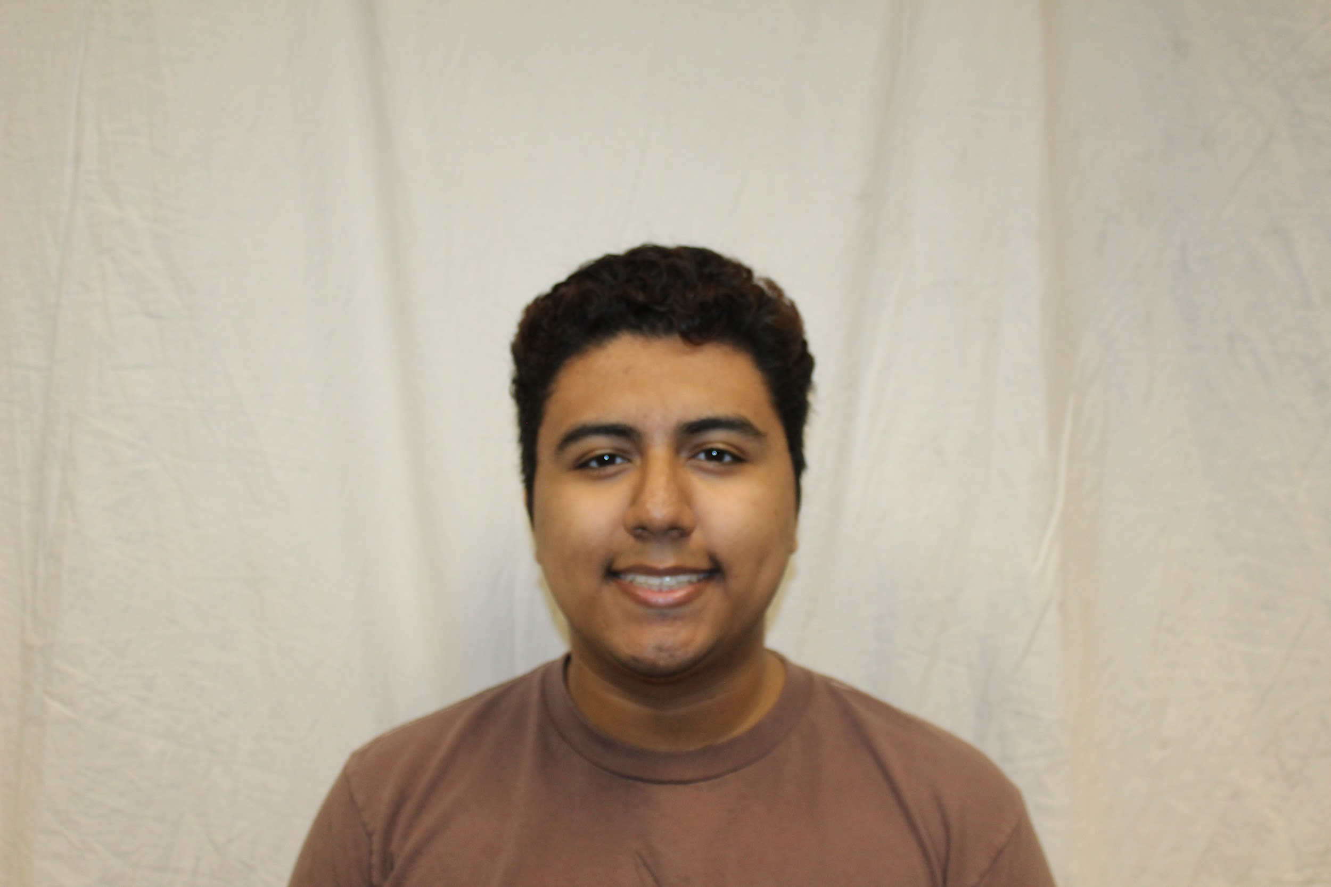 |  | 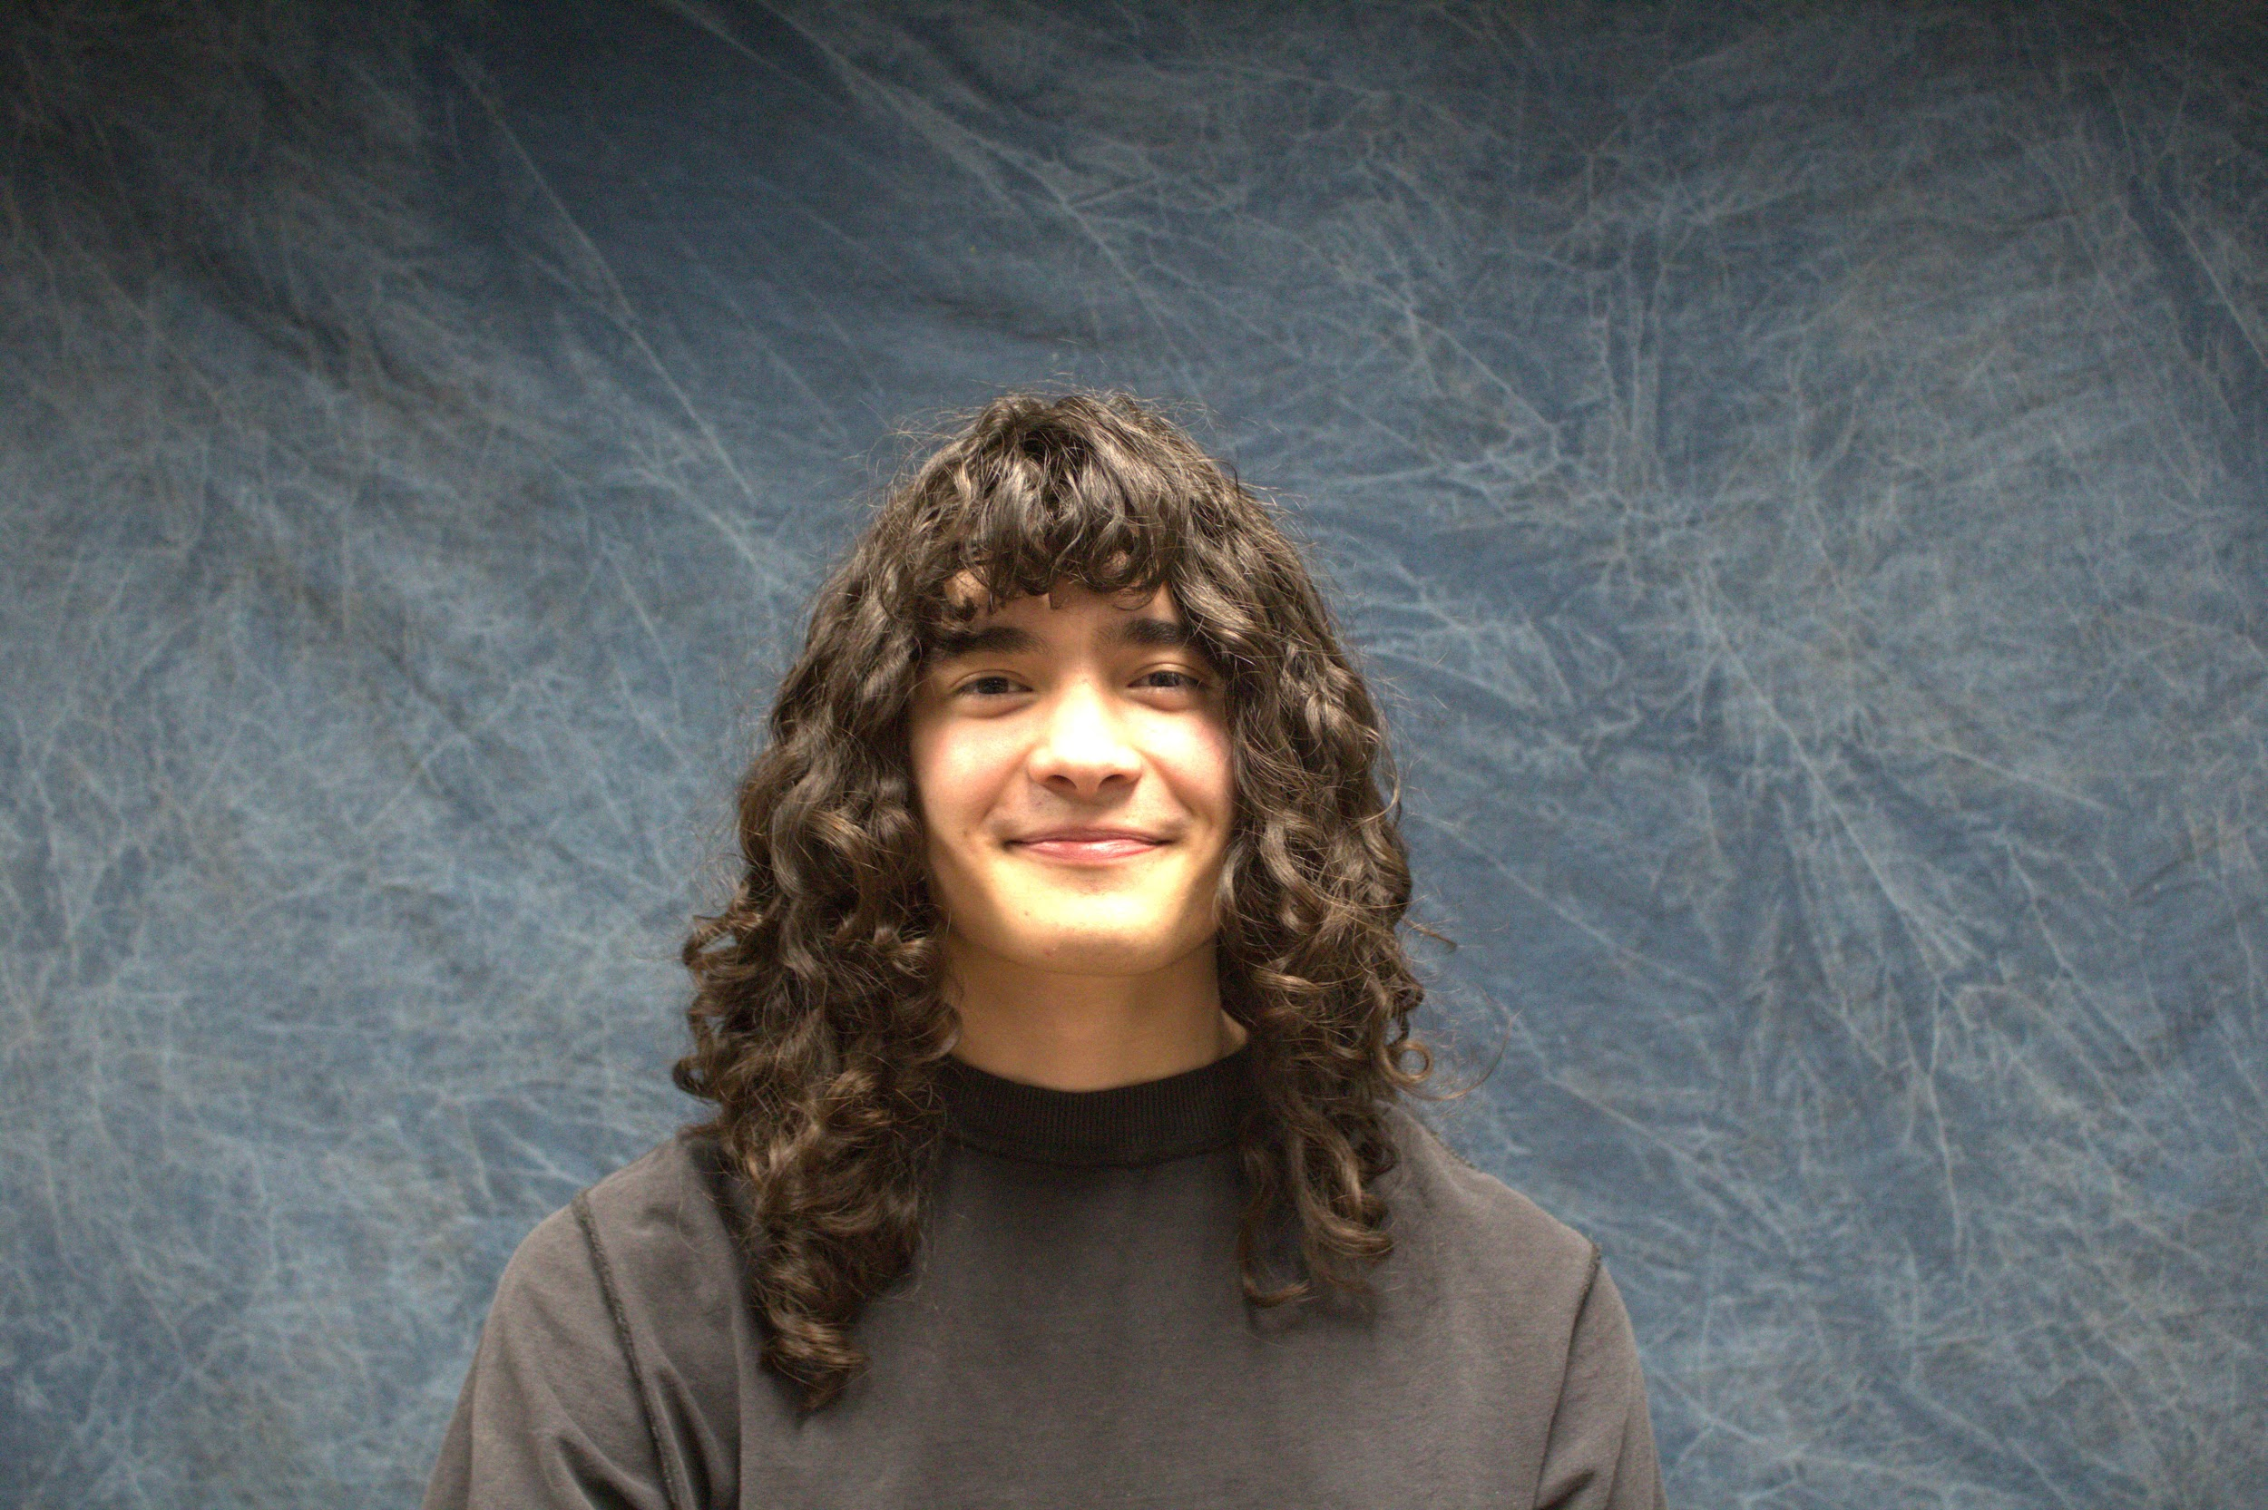 | 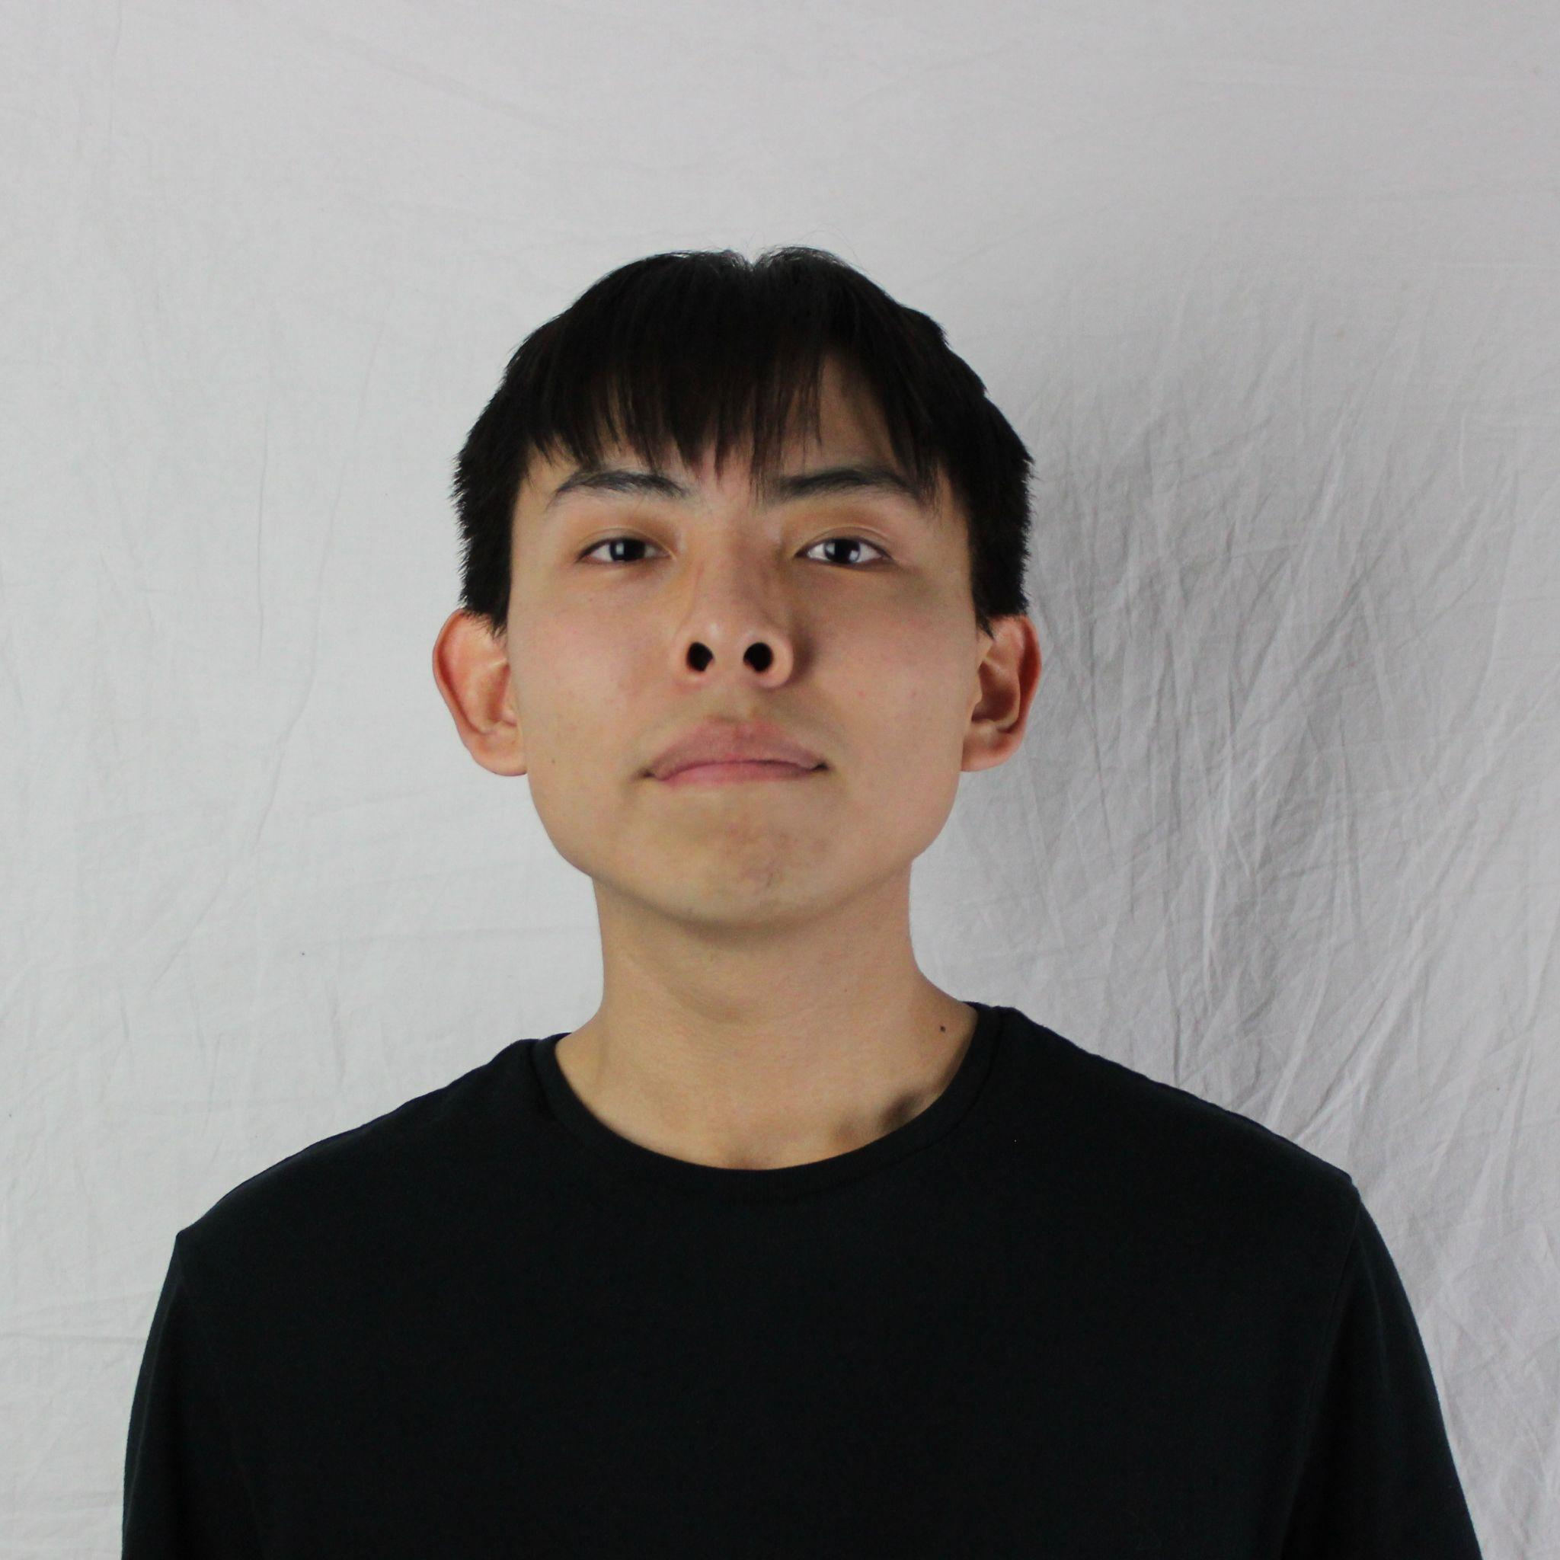
 | Jesse Ceja | Anna Cheatham | Tyler Jeffrey | Rique Trujillo Yazzie
 |  |  |  |  |  |  |  |  |  |  |  | XXX
Task ID | Status | Description |  |  | Assigned to | Start Date | Start Week | Expected End Date | Finished on Week | Measurable Outcome | Actual Outcome | XXX
N/A | <pick a status from the list> | <2-3 sentences to describe what is involved with the task and its goals in more detail> |  |  | <who’s responsible; if multiple persons, to what percentage> | <date task created> | <pick a week from the list> | <date task is due> | <pick a week from the list> | <Concise statement of exactly what deliverable is expected with notes on expectations of quality and/or completion> | <Concise statement of exactly what was delivered and at what level of quality>
1 | Done | Meeting with Pavan, sharing UI design concepts and symposium presentation materials. |  |  | Tyler Jeffrey, Jesse Ceja, Anna Cheatham, Rique Yazzie, Group meeting: 25% each | 3/23/2026 | Week 10 (Mar 23 - Mar 27) | 4/1/2026 | Week 11 (Mar 30 - Apr 3) | Get updated feedback from the client on UI design concepts for the app shell. Also discussing poster and abstract for presentation. | During our meeting we discussed: presentation materials, got an updated UI of the app, discussed future expectations/timeline for the project, and laid out basic Twine game ideas. | XXX
2 | Done | Finalized technology feasibility document. |  |  | Tyler Jeffrey, Jesse Ceja, Anna Cheatham, Rique Yazzie. Members will be working within their previously assigned sections. | 3/26/2026 | Week 10 (Mar 23 - Mar 27) | 4/3/2026 | Week 11 (Mar 30 - Apr 3) | Following document review, each section of this document will be fully fleshed out in terms of content and formatting. | Each section has been fleshed out in terms of providing concrete data or examples to support research. Formatting and other small wording changes have also been completed. | XXX
3 | In progress | Finalizing Presentation Materials for Undergrad Symposium. |  |  | Tyler Jeffrey, Jesse Ceja, Anna Cheatham, Rique Yazzie. Specific portions will be outlined in tasks below. | 3/29/2026 | Week 11 (Mar 30 - Apr 3) | 4/17/2026 |  | Finalize and submit all materials required for symposium: abstract, poster, and demo. |  | XXX
4 | Done | Presentation Materials: Database configuration |  |  | Jesse Ceja | 3/29/2026 | Week 11 (Mar 30 - Apr 3) | 4/2/2026 | Week 12 (Apr 6 - Apr 10) | Setup and host a cloud database for collecting user id's and step counts. | Database for holding user names and step counts has been created. User data gets automatically sorted into a tables based on step count, date added, or recently added. | XXX
5 | Done | Presentation Materials: Website design |  |  | Rique Yazzie | 3/29/2026 | Week 11 (Mar 30 - Apr 3) | 4/2/2026 | Week 12 (Apr 6 - Apr 10) | Personalize the database website to be more visually appealing via CSS and Bootstrap. | Website for presenting the database has been fully stylized with a simple table interface allowing users to easily toggle between different states. | XXX
6 | Done | Presentation Materials: Twine demo/integration |  |  | Tyler Jeffrey | 3/29/2026 | Week 11 (Mar 30 - Apr 3) | 4/2/2026 | Week 11 (Mar 30 - Apr 3) | Integrate Twine with the database, allowing data to be passed via Twine actions. Develop a functioning Twine experience that meets the basic requirements for a demo. | Twine game for users to input name and step count has been finished, allowing users to send information to the cloud database. | XXX
7 | In progress | Presentation Materials: Abstract. |  |  | Anna Cheatham | 3/23/2026 | Week 10 (Mar 23 - Mar 27) | 4/9/2026 |  | Finalizing the project abstract for our presentation, this includes a medium-length description of problem, solution, and project vision. |  | XXX
8 | In progress | Presentation Materials: Poster design |  |  | Anna Cheatham | 3/29/2026 | Week 11 (Mar 30 - Apr 3) | 4/17/2026 |  | Map out poster design and flow. Will be using Canva to create and edit the poster. |  | XXX
9 | In progress | Team Progress Update |  |  | Tyler Jeffrey, Jesse Ceja, Anna Cheatham, Rique Yazzie. | 4/2/2026 | Week 11 (Mar 30 - Apr 3) | 4/9/2026 |  | Create an outline or presentation of the required topics for team updates. |  | XXX
10 | Done | Twine Game Planning |  |  | Tyler Jeffrey, Jesse Ceja, Anna Cheatham, Rique Yazzie. | 4/2/2026 | Week 11 (Mar 30 - Apr 3) | 4/9/2026 | Week 11 (Mar 30 - Apr 3) | Begin planning ideas for each of the Twine topics we have to make. This includes a general game loop and rough visual experience. | We have mapped out basic game loop and Twine functionality for each game based on workshops from the Lab. We have also assigned game creation to different members | XXX
11 | In progress | Requirements Document: Dieting Game |  |  | Tyler Jeffrey | 4/2/2026 | Week 11 (Mar 30 - Apr 3) | 4/10/2026 |  | Detail a list of functional and non-functional requirements for the Twine dieting game. |  | XXX
12 | In progress | Requirements Document: Education Game |  |  | Rique Yazzie | 4/2/2026 | Week 11 (Mar 30 - Apr 3) | 4/10/2026 |  | Detail a list of functional and non-functional requirements for the Twine education game. |  | XXX
13 | In progress | Requirements Document: Adherence Game |  |  | Anna Cheatham | 4/2/2026 | Week 11 (Mar 30 - Apr 3) | 4/10/2026 |  | Detail a list of functional and non-functional requirements for the Twine adherence game. |  | XXX
14 | In progress | Requirements Document: Exercise Game |  |  | Jesse Ceja | 4/2/2026 | Week 11 (Mar 30 - Apr 3) | 4/10/2026 |  | Detail a list of functional and non-functional requirements for the Twine exercise game. |  | XXX
15 | In progress | Requirements Document: Blood Pressure Game |  |  | Tyler Jeffrey, Jesse Ceja, Anna Cheatham, Rique Yazzie. | 4/2/2026 | Week 11 (Mar 30 - Apr 3) | 4/10/2026 |  | Detail a list of functional and non-functional requirements for the Twine blood pressure game. |  | XXX
16 | Next up | Meeting with CardioCare Quest team lead Pavan Gorintla |  |  | Tyler Jeffrey, Jesse Ceja, Anna Cheatham, Rique Yazzie. | 4/15/2026 | Week 13 (Apr 13 - Apr 17) | 4/15/2026 |  | Share game ideas and discuss our listed requirements. Also sharing symposium presentation materials. |  | XXX
17 |  |  |  |  |  |  |  |  |  |  |  | XXX
18 |  |  |  |  |  |  |  |  |  |  |  | XXX
19 |  |  |  |  |  |  |  |  |  |  |  | XXX
20 |  |  |  |  |  |  |  |  |  |  |  | XXX
21 |  |  |  |  |  |  |  |  |  |  |  | XXX
22 |  |  |  |  |  |  |  |  |  |  |  | XXX
23 |  |  |  |  |  |  |  |  |  |  |  | XXX
24 |  |  |  |  |  |  |  |  |  |  |  | XXX
25 |  |  |  |  |  |  |  |  |  |  |  | XXX
26 |  |  |  |  |  |  |  |  |  |  |  | XXX
27 |  |  |  |  |  |  |  |  |  |  |  | XXX
28 |  |  |  |  |  |  |  |  |  |  |  | XXX
29 |  |  |  |  |  |  |  |  |  |  |  | XXX
30 |  |  |  |  |  |  |  |  |  |  |  | XXX
31 |  |  |  |  |  |  |  |  |  |  |  | XXX
32 |  |  |  |  |  |  |  |  |  |  |  | XXX
33 |  |  |  |  |  |  |  |  |  |  |  | XXX
34 |  |  |  |  |  |  |  |  |  |  |  | XXX
35 |  |  |  |  |  |  |  |  |  |  |  | XXX
36 |  |  |  |  |  |  |  |  |  |  |  | XXX
37 |  |  |  |  |  |  |  |  |  |  |  | XXX
38 |  |  |  |  |  |  |  |  |  |  |  | XXX
39 |  |  |  |  |  |  |  |  |  |  |  | XXX
40 |  |  |  |  |  |  |  |  |  |  |  | XXX
41 |  |  |  |  |  |  |  |  |  |  |  | XXX
42 |  |  |  |  |  |  |  |  |  |  |  | XXX
43 |  |  |  |  |  |  |  |  |  |  |  | XXX
44 |  |  |  |  |  |  |  |  |  |  |  | XXX
45 |  |  |  |  |  |  |  |  |  |  |  | XXX
46 |  |  |  |  |  |  |  |  |  |  |  | XXX
47 |  |  |  |  |  |  |  |  |  |  |  | XXX
48 |  |  |  |  |  |  |  |  |  |  |  | XXX
49 |  |  |  |  |  |  |  |  |  |  |  | XXX
50 |  |  |  |  |  |  |  |  |  |  |  | XXX
51 |  |  |  |  |  |  |  |  |  |  |  | XXX
52 |  |  |  |  |  |  |  |  |  |  |  | XXX
53 |  |  |  |  |  |  |  |  |  |  |  | XXX
54 |  |  |  |  |  |  |  |  |  |  |  | XXX
55 |  |  |  |  |  |  |  |  |  |  |  | XXX
56 |  |  |  |  |  |  |  |  |  |  |  | XXX
57 |  |  |  |  |  |  |  |  |  |  |  | XXX
58 |  |  |  |  |  |  |  |  |  |  |  | XXX
59 |  |  |  |  |  |  |  |  |  |  |  | XXX
60 |  |  |  |  |  |  |  |  |  |  |  | XXX
61 |  |  |  |  |  |  |  |  |  |  |  | XXX
62 |  |  |  |  |  |  |  |  |  |  |  | XXX
63 |  |  |  |  |  |  |  |  |  |  |  | XXX
64 |  |  |  |  |  |  |  |  |  |  |  | XXX
65 |  |  |  |  |  |  |  |  |  |  |  | XXX
66 |  |  |  |  |  |  |  |  |  |  |  | XXX
67 |  |  |  |  |  |  |  |  |  |  |  | XXX
68 |  |  |  |  |  |  |  |  |  |  |  | XXX
69 |  |  |  |  |  |  |  |  |  |  |  | XXX
70 |  |  |  |  |  |  |  |  |  |  |  | XXX
71 |  |  |  |  |  |  |  |  |  |  |  | XXX
72 |  |  |  |  |  |  |  |  |  |  |  | XXX
73 |  |  |  |  |  |  |  |  |  |  |  | XXX
74 |  |  |  |  |  |  |  |  |  |  |  | XXX
75 |  |  |  |  |  |  |  |  |  |  |  | XXX
76 |  |  |  |  |  |  |  |  |  |  |  | XXX
77 |  |  |  |  |  |  |  |  |  |  |  | XXX
78 |  |  |  |  |  |  |  |  |  |  |  | XXX

